Quotation
 | Talk The Talk, Roof The Roof
 | DK Roofing Limited | 06-755-0006 | 159 Gill Street, New Plymouth 4310 | dkroofing.co.nz
 |  |  |  |  |  | Ref: DKR-92

 | 2026-07-20

 | To: |  | Lex Smith
 | Client: |  | Watts & Hughs
 | Re: |  | Quotation for Roofing Works
 | Project |  | Lakecrest Townhouses Tauhara Ridge Drive, Richmond Heights, Taupō 3330, New Zealand

 | This quotation is for the following only:

 |  | • | Allowance for management to prepare pre-mobilisation paperwork & safety documentation
 |  | • | Allowance for supervisor to accurately site measure & order materials
 |  | • | Allowance for transporting materials to site
 |  | • | Allowance for site inductions, PPE, and safety meetings
 |  | • | Allowance for samples, warranties, and maintenance manuals
 |  | • | Allowance for supervision and administration
 |  | • | Allowance to clean up general rubbish daily & removing rubbish from site (bins by builder)

 | Scope of Works:

TB | ROOFING WORKS
B | Roof Sheeting
 | Supply and install 0.55bmt Dimond LT7 Magnaflow, as per plan (A09-02)
B | Underlay
 | Supply and install underlay
B | Safety Mesh
 | Supply and install safety mesh
B | Flashing/Capping
 | Supply and install 0.55mm BMT ridge cap flashing, as per detail D-040 (A13-09)
 | Supply and install 0.55mm BMT hip cap flashing (670/3B), as per detail D-032 (A13-09)
 | Supply and install 0.55mm BMT head apron flashing (390/3B), as per detail D-050 (A13-13)
 | Supply and install 0.55mm BMT side apron flashing (370/3B), as per detail D-049 (A13-13)
 | Supply and install 0.55mm BMT 2-piece side barge flashing & bracket flashing, as per detail D-037 (A13-10)
 | Supply and install 0.55mm BMT valley flashing, as per detail D-033 (A13-10)
 | Supply and install 0.55mm BMT eaves flashing (210/1B), as per detail D-035 (A13-10)
 | Supply and install 0.55mm BMT backtray flashing (1200/2B)
 | Supply and install 0.55mm BMT backtray flashing (700/2B)
 | Supply and install 0.55mm BMT backtray flashing (930/2B)
 | Supply and install 1.6mm BMT powder coated welded flashing (510/6B), as per detail D-034 (A13-11)
 | Supply and install 1.6mm BMT powder coated welded flashing (460/4B), as per detail D-046 (A13-11)
B | Skylight
 | Supply and install Adlux Harmony HFG22 750x1050OA Skylight, as per plan (A09-02)
 | Supply and install Adlux Harmony HFJ16 750x750OA Skylight, as per plan (A09-02)
 | Supply and install Adlux Harmony HFJ26 900x1250OA Skylight. Alternative: Velux Fixed skylight (pitched roofs) 1140 x 1180
B | Dektite
 | Supply and install dektite
B | Penos
 | Allowance for Skylight penetration
 | Allowance for pipe/flume penetration
B | Gutter
 | Supply and install Dimond Half Round Gutter (290/4B), as per detail D-035 (A13-10)
B | Downpipe
 | Supply and install 80mmØ colorsteel maxam downpipe & outlet pops, as per schedule

,"Quotation for Roof and Wall Cladding Works" | Price:
 | TOTAL AMOUNT excluding GST |  |  | = | $114,613.37 + GST

 | Please note the following:

 |  | • | We have excluded any roof edge protection, scaffolding and roof access
 |  | • | We have excluded all downpipes (drawings shows PVC downpipes, presumed by plumber)
 |  | • | We have excluded all metal fascia
 |  | • | We have excluded timber roof framing/purlins and plywood substrate underneath TPO roof membrane
 |  | • | We have excluded any ceiling insulation
 |  | • | We have excluded any cfc cladding, weatherboards cladding and soffit linings works
 |  | • | We have excluded any aluminium cappings
 |  | • | We have excluded any seismic movement joint (by specialist)
 |  | • | We have excluded any roof structure, framing, etc.
 |  | • | We have excluded any works to painting works, electrical, mechanical works.
 |  | • | We have excluded engineering, building Permit
 |  | • | We have excluded any permanent roof safety system/walkways/roof hatch
 |  | • | We have excluded electricity, amenities, traffic management and any other items not clearly listed in this quotation
 |  |  | Dayrate:
 |  |  | Roofer = $120/Hr + GST
 |  | • | Plant & Materials = Cost + 15%
 |  | • | We require a formal purchase order prior to ordering materials
 |  | • | This quotation is valid for thirty days only
 |  | • | All goods supplied and installed remain the property of DK Roofing Limited until payment has been received in full.

 | Terms & Conditions
 | To be discussed & agreed between parties prior to entering into any form of subcontract agreement

 | We thank you for this opportunity and look forward to hearing from you at any time should you wish to discuss further.

 | Ngā mihi,

 | Jimson Betonio
 | Estimator
 | DK Roofing Limited

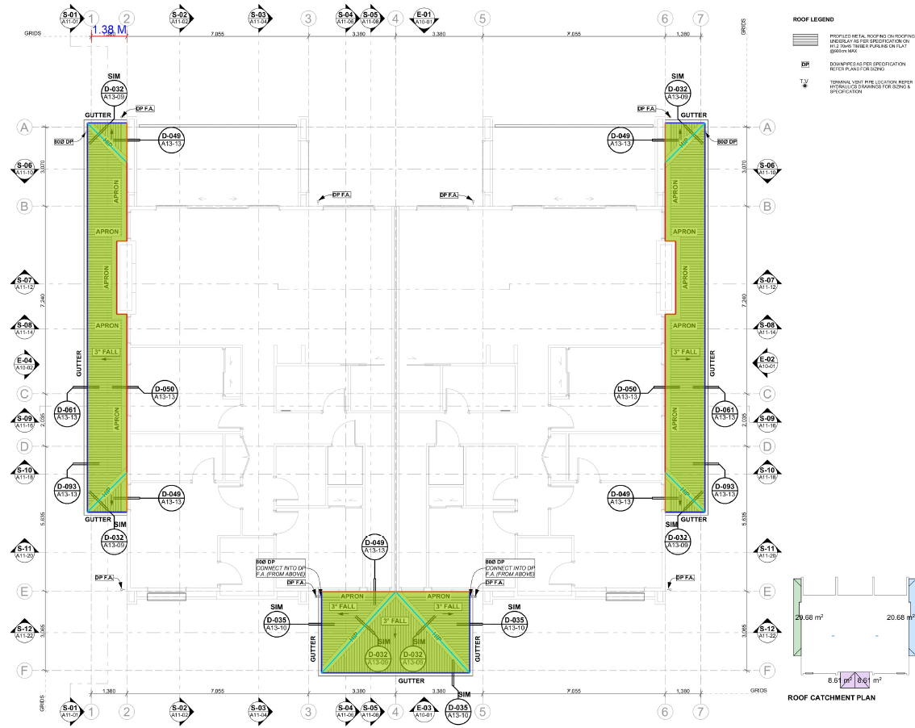

 |  |  |  |  | - Roof Markup
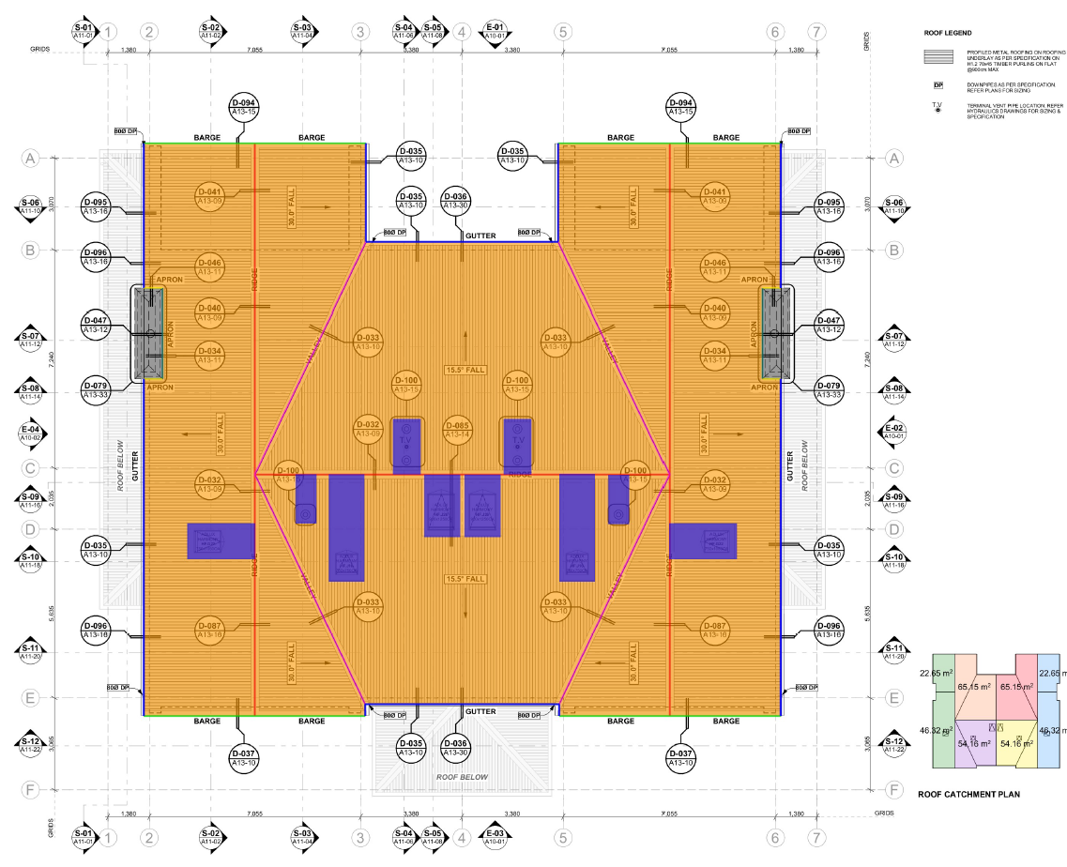

 |  |  |  |  | - Roof Markup

